IRF's 1
response of BZSCORE to FINDEX shocks |  |  |  | response of IPC to FINDEX shocks |  |  |  | response of INVEST to FINDEX shocks

 | lw. bound | median | up. bound |  | lw. bound | median | up. bound |  | lw. bound | median | up. bound
1 | 0 | 0 | 0 | 1 | 0.039761718477 | 0.039761718477 | 0.039761718477 | 1 | -2.9062325622 | -2.9062325622 | -2.9062325622
2 | -0.4739241595 | -0.026310708039 | 0.38688619037 | 2 | 0.011094329881 | 0.079449834167 | 0.14425430425 | 2 | 4.2505305162 | 5.5445043762 | 6.8260681272
3 | 0.21042168735 | 0.83372607527 | 1.4878750782 | 3 | -0.047648009477 | 0.0494091345 | 0.13634461705 | 3 | 5.0231548543 | 7.0424255229 | 8.8304468988
4 | 0.49559915369 | 1.1884368445 | 1.91606421 | 4 | 0.0028345892595 | 0.12052116525 | 0.23774737689 | 4 | 0.89723143715 | 2.8828427445 | 5.2865446803
5 | 1.1482325911 | 1.9462545445 | 2.8283859201 | 5 | -0.061303196896 | 0.066787292636 | 0.19674411229 | 5 | 7.645391682 | 9.8973219795 | 12.230507435
6 | 0.4519080567 | 1.3721960546 | 2.3379942737 | 6 | -0.006793167621 | 0.13866176922 | 0.29318474978 | 6 | -13.258197384 | -10.44009085 | -7.6663905719
7 | -0.14400805947 | 0.76744123887 | 1.8312918704 | 7 | -0.080112633219 | 0.071496492745 | 0.23465921595 | 7 | -11.654146296 | -8.7179399937 | -4.6465188988
8 | -0.33853412211 | 0.65941458261 | 1.7403544186 | 8 | -0.22657206404 | -0.076678395914 | 0.099023606819 | 8 | -5.1672421649 | -1.4012755279 | 1.9336719286
9 | -1.3061297156 | -0.11291540771 | 1.1965219147 | 9 | -0.42316137168 | -0.22847647937 | -0.018065056465 | 9 | -8.8313289689 | -4.4048517166 | 0.082818638065
10 | -1.4589476074 | -0.36599867614 | 0.89520696863 | 10 | -0.42046375547 | -0.24442423532 | -0.037709734992 | 10 | 0.036464353725 | 4.358280784 | 9.3610677217
11 | -1.8612256964 | -0.57156547488 | 0.79741576885 | 11 | -0.27589897871 | -0.07657736623 | 0.13755213679 | 11 | -1.895460951 | 3.2358688226 | 8.1646455415
12 | -2.4427616147 | -1.0353550438 | 0.46551611481 | 12 | -0.17309528521 | 0.036495203521 | 0.27904300389 | 12 | -4.8925091759 | 0.11233501367
13 | -2.0800197873 | -0.39839114946 | 1.3695740758 | 13 | -0.13400947042 | 0.10554646326 | 0.37511470213 | 13 | -0.442399808 | 4.2273977466 | 10.31383108
14 | -1.751542711 | -0.077079303232 | 1.3756620657 | 14 | -0.10584664139 | 0.13351289907 | 0.41135305174 | 14 | -10.83725979 | -3.0754991332 | 3.9441061399
15 | -1.1595777388 | 0.3328616921 | 1.7597216329 | 15 | -0.2038169862 | 0.037106835727 | 0.32136744443 | 15 | -6.8322834542 | -1.5624644422 | 5.7123433099
16 | -0.84038851483 | 0.70344063661 | 2.0886025138 | 16 | -0.23766565818 | 0.00030553230514 | 0.25211055819 | 16 | -7.3657264615 | -0.44623438876 | 6.0202003936
17 | -1.2614232819 | 0.42978583748 | 2.0798153846 | 17 | -0.30059493701 | -0.045718321917 | 0.16893387229 | 17 | -10.484404257 | -3.6299882118 | 2.4800044899
18 | -1.1390596979 | 0.40617784911 | 2.0005027483 | 18 | -0.30847319193 | -0.080994452117 | 0.15699646416 | 18 | -5.3439811937 | 1.4888951173 | 9.3561900539
19 | -1.186353769 | 0.1609420301 | 1.963263138 | 19 | -0.29299339675 | -0.047355279883 | 0.18313437634 | 19 | -5.3518558244 | 1.2204653916 | 8.1396838023
20 | -1.7138074866 | -0.23819574662 | 1.3304537095 | 20 | -0.26705500121 | -0.027534224449 | 0.24553248242 | 20 | -7.7774760928 | -0.014109857554 | 6.18152965

response of BANKCON to FINDEX shocks |  |  |  | response of CONSUM to FINDEX shocks |  |  |  | response of PBI to FINDEX shocks

 | lw. bound | median | up. bound |  | lw. bound | median | up. bound |  | lw. bound | median | up. bound
1 | 0 | 0 | 0 | 1 | -1.1907584432 | -1.1907584432 | -1.1907584432 | 1 | -1.4973122406 | -1.4973122406 | -1.4973122406
2 | -2.8625921876 | -0.49731321748 | 1.6514149931 | 2 | 1.3822449346 | 1.6813146189 | 2.0024537717 | 2 | 1.8513299441 | 2.1973312687 | 2.5939262144
3 | -0.97756127967 | 1.2556021848 | 3.8543304643 | 3 | 1.8416429888 | 2.3654700201 | 2.837446252 | 3 | 1.9320189163 | 2.5826347889 | 3.1554224203
4 | -3.8804545442 | -0.79322442464 | 2.5113084592 | 4 | 0.84974010509 | 1.3801651398 | 2.09566704 | 4 | 0.61058634696 | 1.2815627009 | 2.1699254118
5 | -3.6321956613 | -0.3629818311 | 2.8810593969 | 5 | 1.8865343641 | 2.5370519452 | 3.2179778508 | 5 | 2.3854291578 | 3.1688700026 | 3.9777810799
6 | -2.0157219167 | 1.7890969543 | 5.3522303232 | 6 | -1.6247354112 | -0.88099330591 | -0.065619011082 | 6 | -2.8767864765 | -1.9354978615 | -0.95748904413
7 | -4.0100337544 | -0.2667629557 | 3.4093432721 | 7 | -2.1600970529 | -1.4121515205 | -0.47921409899 | 7 | -2.9372915733 | -2.0540058137 | -0.88456136718
8 | -5.344274444 | -1.8682203979 | 1.9377447242 | 8 | -1.1406611831 | -0.26701591754 | 0.60798842472 | 8 | -1.3625310829 | -0.23544786446 | 0.85931209155
9 | -2.5213013 | 2.1751203107 | 7.1466872114 | 9 | -1.9071201575 | -0.96652640192 | 0.14037888846 | 9 | -2.7791341587 | -1.5315799102 | -0.17432880423
10 | -5.0537697452 | 0.14524516718 | 5.3651740588 | 10 | -0.23489833313 | 0.73113316686 | 2.0375639008 | 10 | -0.11646974627 | 1.1687938063 | 2.9156023735
11 | -11.446114492 | -5.1752371996 | 1.8286932361 | 11 | -0.35020659394 | 0.76114238933 | 1.9054387696 | 11 | -0.3859348505 | 1.1426650894 | 2.5444386453
12 | -3.4475739278 | 1.5345352506 | 6.3814817803 | 12 | -0.77490766948 | 0.36236469597 | 1.6671333136 | 12 | -1.0054590509 | 0.38869714758 | 2.1183059528
13 | -4.1906201095 | 0.95688930029 | 5.4573312033 | 13 | 0.010278024073 | 1.0848290886 | 2.5465030621 | 13 | 0.05273227825 | 1.5570606967 | 3.4178539583
14 | -6.5894783718 | -1.7536133199 | 2.9975924643 | 14 | -1.8793248379 | -0.22740547262 | 1.6021502656 | 14 | -2.6604586833 | -0.51687681909 | 1.7454156519
15 | -3.3725197874 | 1.4859021428 | 5.6960071704 | 15 | -1.4630431567 | -0.20728166621 | 1.5200683701 | 15 | -1.8785327352 | -0.33936612186 | 1.8523672764
16 | -4.7073662023 | 0.073350061087 | 5.1787875373 | 16 | -1.3253759776 | -0.045005938565 | 1.4995897105 | 16 | -1.7714530821 | 0.02412675233 | 2.0268791764
17 | -3.7974724176 | 0.11629349034 | 5.1635930053 | 17 | -2.263455671 | -0.71411576472 | 0.74878841935 | 17 | -3.1649825752 | -1.0580543513 | 0.85317145336
18 | -5.373696125 | 0.30148867487 | 4.2409851709 | 18 | -1.1062686278 | 0.14111589727 | 2.1488155184 | 18 | -1.3599158284 | 0.33419166835 | 2.8815035416
19 | -6.1998234717 | -1.088478149 | 3.7911292792 | 19 | -1.2709283747 | 0.2122614655 | 1.8850272643 | 19 | -1.7013148416 | 0.3439258821 | 2.4474694599
20 | -3.8783498656 | 0.40946993227 | 5.4653160607 | 20 | -1.5979098012 | 0.059942628706 | 1.6088756051 | 20 | -2.1489271158 | 0.022955928761 | 2.1035057436
BANKCON
BZSCORE

IPC
CONSUM

INVEST
 | -2.9062325622 | -2.9062325622 | -2.9062325622
 | 4.2505305162 | 5.5445043762 | 6.8260681272
 | 5.0231548543 | 7.0424255229 | 8.8304468988
 | 0.89723143715 | 2.8828427445 | 5.2865446803
 | 7.645391682 | 9.8973219795 | 12.230507435
 | -13.258197384 | -10.44009085 | -7.6663905719
 | -11.654146296 | -8.7179399937 | -4.6465188988
 | -5.1672421649 | -1.4012755279 | 1.9336719286
 | -8.8313289689 | -4.4048517166 | 0.082818638065
 | 0.036464353725 | 4.358280784 | 9.3610677217
 | -1.895460951 | 3.2358688226 | 8.1646455415
 | -4.8925091759 | 0.11233501367 | 0
 | -0.442399808 | 4.2273977466 | 10.31383108
 | -10.83725979 | -3.0754991332 | 3.9441061399
 | -6.8322834542 | -1.5624644422 | 5.7123433099
 | -7.3657264615 | -0.44623438876 | 6.0202003936
 | -10.484404257 | -3.6299882118 | 2.4800044899
 | -5.3439811937 | 1.4888951173 | 9.3561900539
 | -5.3518558244 | 1.2204653916 | 8.1396838023
 | -7.7774760928 | -0.014109857554 | 6.18152965
PBI

IRF's 2
response of FINDEX to BZSCORE shocks |  |  |  | response of FINDEX to IPC shocks |  |  |  | response of FINDEX to INVEST shocks

 | lw. bound | median | up. bound |  | lw. bound | median | up. bound |  | lw. bound | median | up. bound
1 | -0.0032942709649 | -0.0032942709649 | -0.0032942709649 | 1 | 0 | 0 | 0 | 1 | 0 | 0 | 0
2 | -0.00061067121378 | 0.00099205827777 | 0.0026111805223 | 2 | 0.00055936637849 | 0.0021314317419 | 0.0037231746604 | 2 | 0.00025398388671 | 0.0016951721822 | 0.0030445050256
3 | 0.0018139977401 | 0.0038960610679 | 0.0059499144937 | 3 | -0.0026030774651 | -0.00054098236318 | 0.0012640795726 | 3 | -0.0017324762274 | -0.0001159385363 | 0.0017453408822
4 | -0.0018477723309 | 0.0006400204633 | 0.0032355828567 | 4 | -0.0041058560959 | -0.0020981110606 | 0.00023161053233 | 4 | -0.0045032941964 | -0.0024054269973 | -0.00034210863329
5 | -0.0030287061633 | -0.00083883204857 | 0.0014790450392 | 5 | 5.639239974E-05 | 0.0019499685203 | 0.0037684320913 | 5 | -0.0024128728733 | 7.6782404947E-05 | 0.002853501394
6 | -0.0047412552353 | -0.0020992033426 | 0.00045928411535 | 6 | -0.0013989367877 | 0.00040940199941 | 0.0020369656123 | 6 | -0.0021821102553 | 8.8872237536E-06 | 0.0017332385619
7 | -0.0029660890088 | -0.00064154785 | 0.0015168858052 | 7 | -0.002062921096 | -0.00036733068913 | 0.0015272398506 | 7 | -4.5904156954E-06 | 0.0017679930548 | 0.0037182496264
8 | -0.001611477559 | 0.00065920323824 | 0.0027417326693 | 8 | -0.0012202597763 | 0.00027435729246 | 0.0019815512027 | 8 | -0.0022655820785 | -0.00029477045538 | 0.0016337533885
9 | -0.0026535688723 | -0.00060271319102 | 0.0017248069013 | 9 | -0.0023515144331 | -0.00076879376599 | 0.00089216622034 | 9 | -0.0022848727791 | -0.00080819143729 | 0.00098566126686
10 | -0.0013511798666 | 0.000808059729 | 0.0028243077993 | 10 | -0.0013715097441 | 0.00012943898524 | 0.0016492815074 | 10 | -0.0014721076021 | 0.00044421139313 | 0.0020928273411
11 | -0.0016758552137 | 0.00045225876893 | 0.0026995559872 | 11 | -0.0023327306748 | -0.00048572457388 | 0.0010528146384 | 11 | -0.0014160759322 | 5.5282750309E-05 | 0.0019387317632
12 | -0.0021905413269 | -0.00013921312277 | 0.0021394458577 | 12 | -0.0018362268236 | -0.00024460249203 | 0.0015431435522 | 12 | -0.002331393014 | -0.00013593724189 | 0.0014102197665
13 | -0.0020222160464 | 0.00057711302993 | 0.0025491044675 | 13 | -0.0013846850268 | 0.00056112195029 | 0.0021643612402 | 13 | -0.0011017186231 | 0.0001424273669 | 0.0027926292887
14 | -0.0028081236422 | -0.00049859866167 | 0.0015085042677 | 14 | -0.0017981234946 | -0.00017680320034 | 0.0015076103126 | 14 | -0.0026862937028 | -0.00035112308082 | 0.0010309343819
15 | -0.0021282047721 | -0.00034594544943 | 0.0023526791771 | 15 | -0.0013862483928 | 0.00029776664592 | 0.0020094129278 | 15 | -0.0016389019924 | 0.00027922114112 | 0.002315763825
16 | -0.0020497397478 | 0.00011101018323 | 0.0024756714137 | 16 | -0.0012948418765 | 0.00023711546492 | 0.0022293622053 | 16 | -0.0020265363195 | 0.00011893896892 | 0.0015442207336
17 | -0.0025238228131 | -0.0001724271931 | 0.001670378737 | 17 | -0.002197978036 | -0.00039551836672 | 0.0013548632881 | 17 | -0.0016223078553 | 1.7555153999E-05 | 0.0022140828032
18 | -0.0017523633768 | 0.00039528710831 | 0.0029372303358 | 18 | -0.0014015257704 | 0.00014790358745 | 0.0020591134241 | 18 | -0.0015881503273 | 5.0608827513E-05 | 0.0020322726351
19 | -0.0021400816467 | 0.00012727817696 | 0.002430305399 | 19 | -0.0020412374065 | -2.7421575672E-05 | 0.0014841338143 | 19 | -0.0016676638385 | -0.00024820056213 | 0.0020814544035
20 | -0.0026632720499 | -6.4951039621E-06 | 0.0021274107276 | 20 | -0.0019630970199 | -9.929203293E-05 | 0.0014122262938 | 20 | -0.0025058864193 | -0.00011728654733 | 0.0011120069209

response of FINDEX to BANKCON shocks |  |  |  | response of FINDEX to CONSUM shocks |  |  |  | response of FINDEX to PBI shocks

 | lw. bound | median | up. bound |  | lw. bound | median | up. bound |  | lw. bound | median | up. bound
1 | 0.0010176664973 | 0.0010176664973 | 0.0010176664973 | 1 | 0 | 0 | 0 | 1 | 0 | 0 | 0
2 | -0.0036894028955 | -0.002120113825 | -0.00064110616686 | 2 | -0.0042788593841 | -0.0031200304378 | -0.0018879115369 | 2 | -0.00081474072868 | 0.00080970788937 | 0.0024274093517
3 | -0.0013101437444 | 0.00056644010799 | 0.0023337630371 | 3 | -0.0027800910833 | -0.0014062300435 | 1.5841669494E-05 | 3 | -0.0037458731288 | -0.0016222293589 | 0.00030374093974
4 | -0.00096783308511 | 0.0011639445569 | 0.0033584657334 | 4 | -0.00047106722887 | 0.0010750474389 | 0.0026799542782 | 4 | 7.2445959123E-05 | 0.0021331993975 | 0.0043611834844
5 | -0.0035375842 | -0.0012184600177 | 0.0009578211335 | 5 | 0.00066312500878 | 0.0028643172184 | 0.0049881464763 | 5 | -0.003711527766 | -0.0012348697182 | 0.0011015271023
6 | -0.0027927193499 | -9.1038276521E-05 | 0.0021810883363 | 6 | -0.00069020017041 | 0.00096700326114 | 0.0025671366553 | 6 | -0.0036028828404 | -0.0013385151757 | 0.0011173856815
7 | -0.0012778675629 | 0.00087450704048 | 0.003266354697 | 7 | -0.0026866160216 | -0.001001251275 | 0.0010912246703 | 7 | -0.0010421359233 | 0.0012687913303 | 0.0033811059202
8 | -0.0018810356083 | 0.00050173858869 | 0.0030561579531 | 8 | -0.0028231317333 | -0.00074330852314 | 0.00089163932911 | 8 | -0.0008103148911 | 0.0013305083361 | 0.0037571366551
9 | -0.0017837768508 | 0.00057328327516 | 0.0028313656839 | 9 | -0.0023037806636 | -0.00055876370802 | 0.0011540413357 | 9 | -0.0024163175634 | -0.00026171238201 | 0.0017218786499
10 | -0.0033538469735 | -0.00079680280381 | 0.0015605858792 | 10 | -0.0021027646345 | -0.00032663044667 | 0.0014371462931 | 10 | -0.0027089585368 | -0.00091910633065 | 0.0013682097419
11 | -0.0027133121298 | -0.00065486053199 | 0.0019525072234 | 11 | -0.0015896528515 | 0.00017642375713 | 0.0019686167018 | 11 | -0.0031827304099 | -0.00092025175082 | 0.0010141329118
12 | -0.0028583339847 | -0.00047319046311 | 0.0017129566566 | 12 | -0.0022243675371 | -0.0002937232379 | 0.0012502849201 | 12 | -0.0013139454973 | 0.00054215446322 | 0.0029934410047
13 | -0.0023279975987 | -5.0180478575E-05 | 0.0021576966649 | 13 | -0.0012616942094 | 0.00034002630523 | 0.0028731861096 | 13 | -0.0024427207576 | 5.6253098619E-05 | 0.0016682211459
14 | -0.0015351814477 | 0.00068973000999 | 0.002951153797 | 14 | -0.0017672441572 | 0.00037979153741 | 0.0018081267483 | 14 | -0.0015391213538 | 0.00032842625579 | 0.0029098653952
15 | -0.0024322467536 | -2.490447226E-05 | 0.0019609073187 | 15 | -0.001947411663 | 0.00021970394219 | 0.0021577238398 | 15 | -0.0017750774874 | 0.00028930097173 | 0.0021764554147
16 | -0.0024347471054 | -0.00010418505687 | 0.002287762319 | 16 | -0.0018072989994 | 0.00011875949965 | 0.0020987119426 | 16 | -0.00202584865 | -0.00020591231484 | 0.0019219774064
17 | -0.0015646269003 | 0.00039444925722 | 0.0030033117976 | 17 | -0.0023045704769 | -0.00039479200728 | 0.0014794481604 | 17 | -0.0022342367047 | 0.00010295301697 | 0.001979795305
18 | -0.0031197794774 | -0.00022680615458 | 0.0017766646808 | 18 | -0.0021358768249 | -0.00026892102312 | 0.0018155900715 | 18 | -0.0015640882208 | 0.00020271396117 | 0.0025858897137
19 | -0.0022158944118 | -0.00011515043116 | 0.002334815968 | 19 | -0.0017112882018 | -5.7170715873E-05 | 0.0023564338327 | 19 | -0.0031264882264 | -0.00028702095205 | 0.0014357611137
20 | -0.0024008895387 | -6.2068921052E-05 | 0.0020629070516 | 20 | -0.0025797418208 | -0.00014344429638 | 0.0013402144751 | 20 | -0.0014177952524 | -2.8373994294E-05 | 0.0031256783734

BANKCON
BZSCORE

IPC
CONSUM

INVEST
PBI

Hoja1
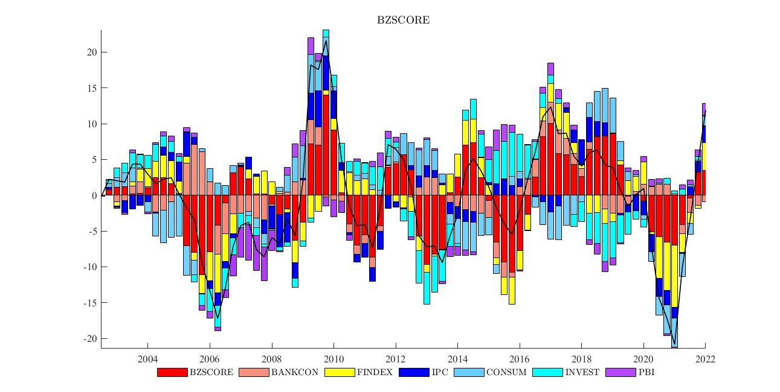

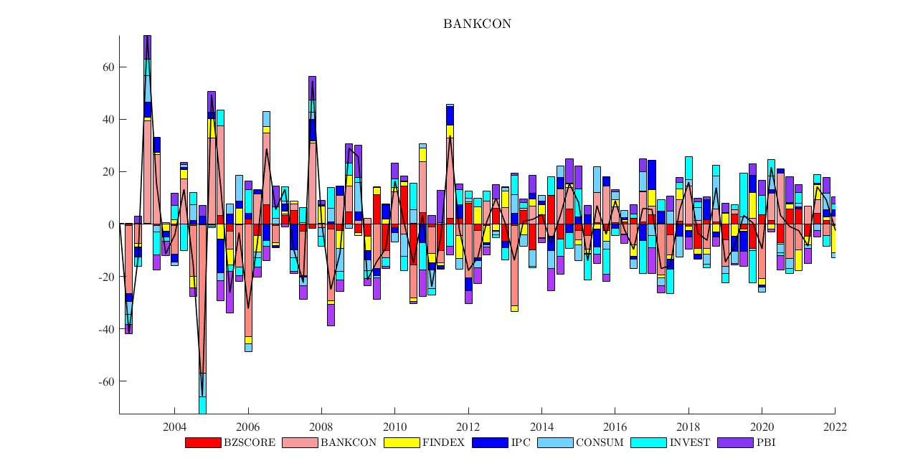

HD domestico
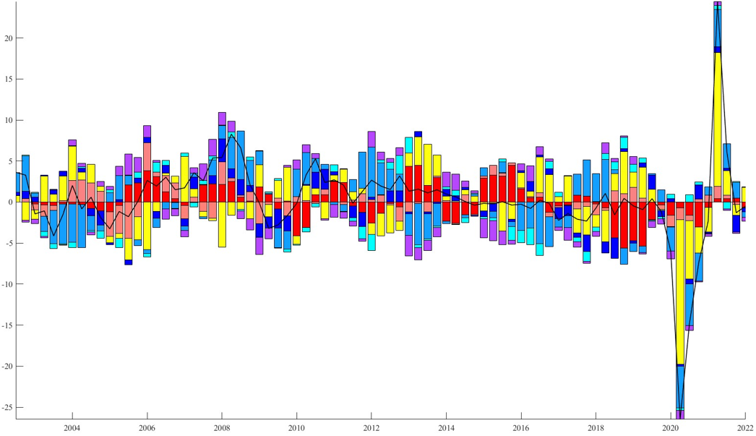
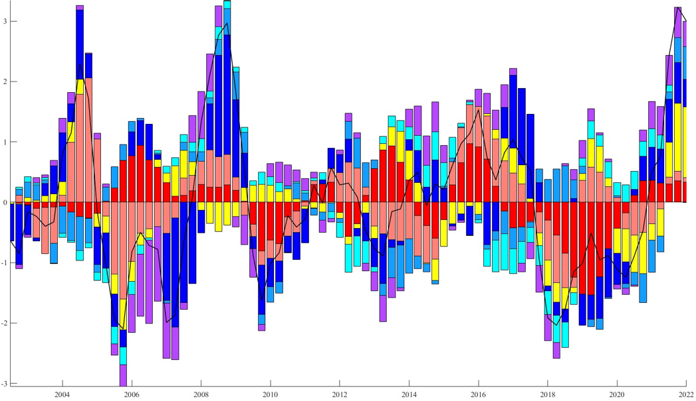
INVERSIÓN | PBI
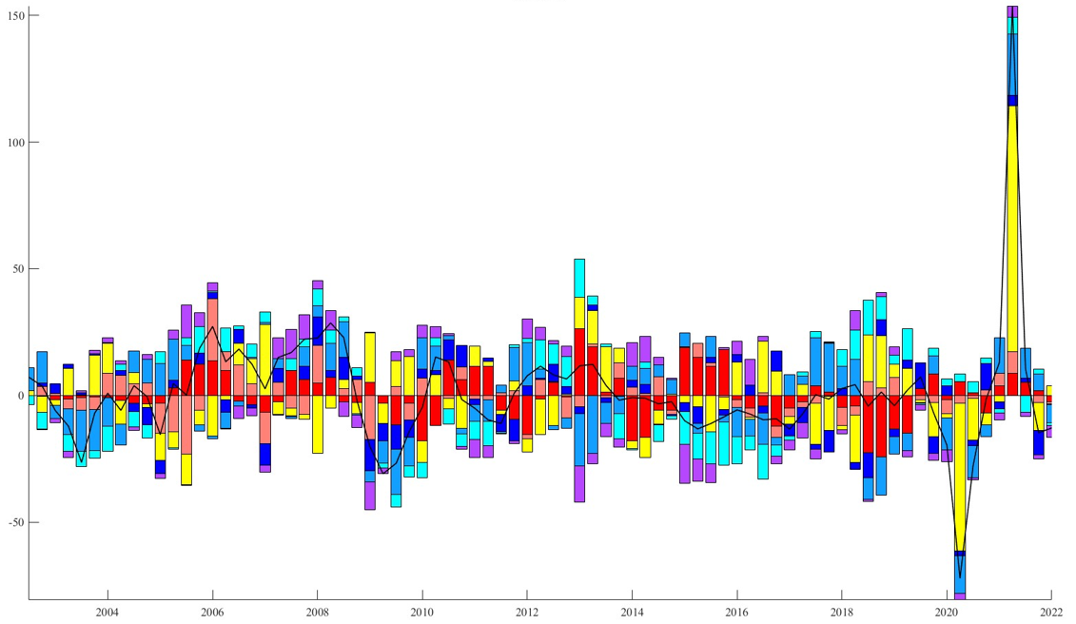
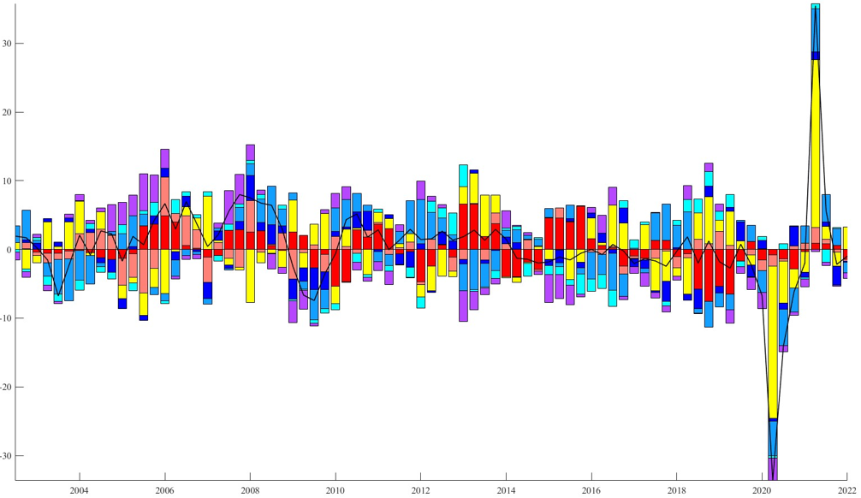

CONSUMO | IPC

HD bancario
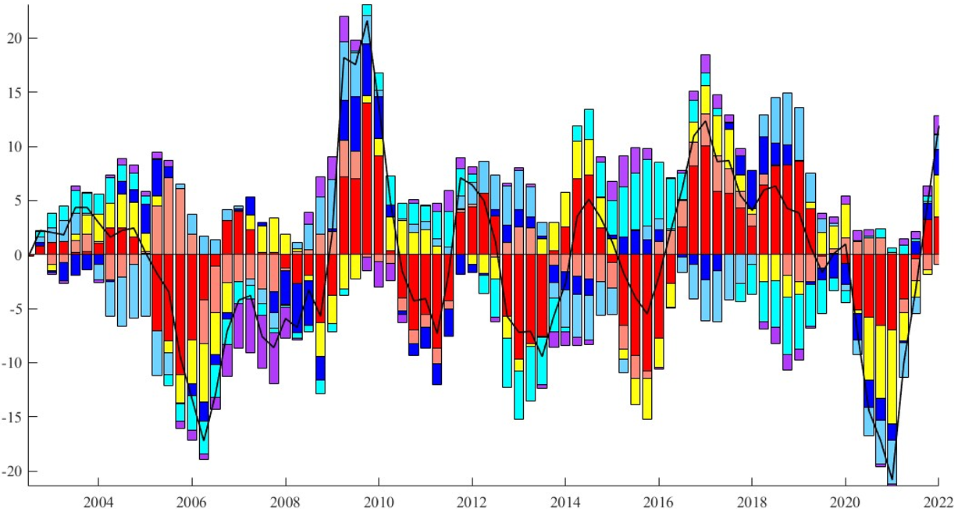
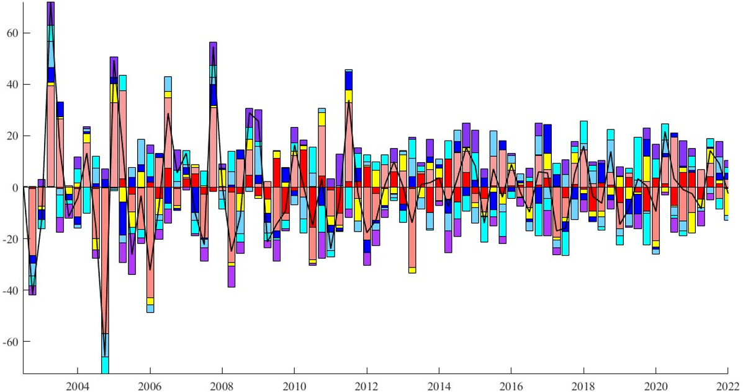
BZSCORE | BANKCON

HD FINDEX
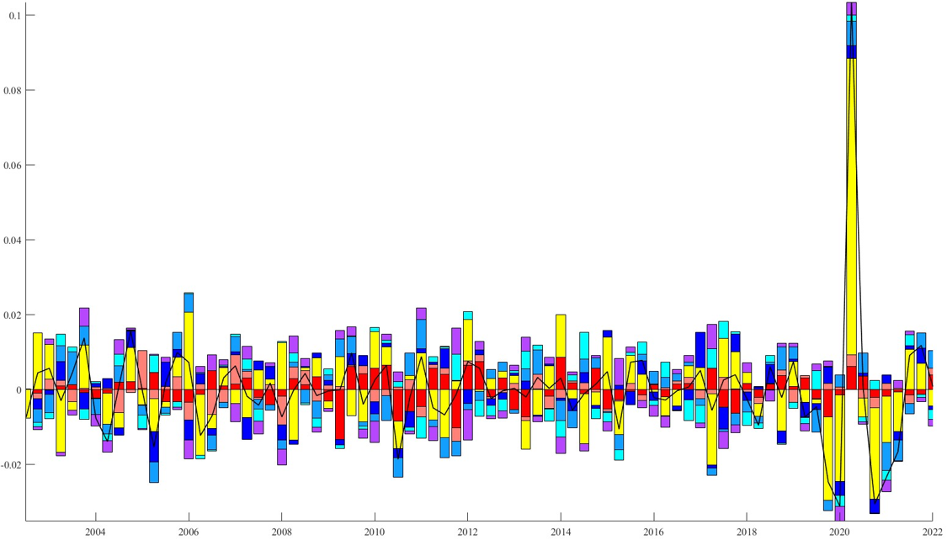
FINDEX

FEVD
